Sheet1
https://developer2.sbx.e-gov.go.jp/apikey/apikey-issue/init

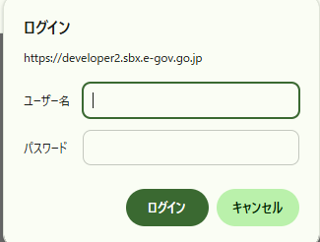

ID: apivendor
Password: ivgeZP0wEu

